Option_2 Workings
Additional cost/benefit explanations
Please provide a short explanation of any additional cost/benefit lines that have been completed in addition to the pre-populated ones. This should include both a description of the nature of the cost/benefit, and an explanation of how the value was calculated, citing appropriate sources (eg for relevant global warming potentials). If an explanation has been provided within the EJP, then simply provide a reference to the relevant page number.

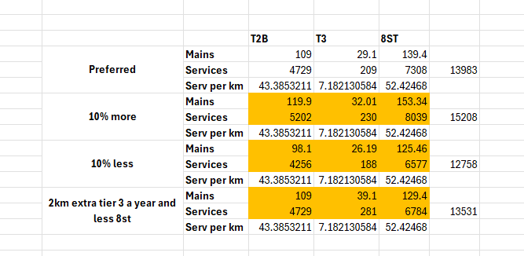
 |  |  |  |  | Preferred | RIIO-GD3 |  |  |  |  | Cost per km/service (£m)
 |  |  |  |  |  | 2027 | 2028 | 2029 | 2030 | 2031 | 2027 | 2028 | 2029 | 2030 | 2031
Mains | Tier Other | Steel | Cost | Net | £m | 7.0648080714 | 7.4682257212 | 7.9298661017 | 8.3992057343 | 8.813455229 | 0.25340057645 | 0.26787036303 | 0.28442848284 | 0.30126275948 | 0.31612106273
 | Services | Steel >2" | Cost | Net | £m | 0.69812729934 | 0.77226473594 | 0.85506399 | 0.93807015405 | 1.0163056726 | 0.00047761444312 | 0.00052833457759 | 0.00058498057847 | 0.00064176813406 | 0.00069529191643
Mains | Mains | Steel | Number |  | No. | 27.88 | 27.88 | 27.88 | 27.88 | 27.88
 | Services | Steel >2" | Number |  | No. | 1461.6963733 | 1461.6963733 | 1461.6963733 | 1461.6963733 | 1461.6963733

 |  |  |  |  | Do More | RIIO-GD3
 |  |  |  |  |  | 2027 | 2028 | 2029 | 2030 | 2031
Mains | Tier Other | Steel | Cost | Net | £m | 7.7712888786 | 8.2150482933 | 8.7228527119 | 9.2391263077 | 9.6948007519
 | Services | Steel >2" | Cost | Net | £m | 0.76790850165 | 0.84945633385 | 0.94053177407 | 1.0318348059 | 1.1178903432
Mains | Mains | Steel | Number |  | No. | 30.668 | 30.668 | 30.668 | 30.668 | 30.668
 | Services | Steel >2" | Number |  | No. | 1607.8 | 1607.8 | 1607.8 | 1607.8 | 1607.8

NGN VF Financial Risk, NGN VF Customer Risk, NGN VF Compliance Risk populated from our decision support tool outputs as per NGN's Value Framework and consistent with NARM.

Long term cost/benefit assumptions
Please briefly summarise the assumptions you have used to calculate long-term (ie beyond the duration of the RIIO3 price control) costs and other inputs (eg "Opex assumed to increase at 1%/year based on historic trends"). In most cases we would expect these to be the same across the baseline and different options, but where this is not the case additional tabs can be completed as necessary. If detailed descriptions are required (eg to explain assumptions around whole life costs of assets) these should be included as part of the EJP

Capex | Not modelled in beyond RIIO-GD4 as proposals cover RIIO-GD3 only.
Opex | As per NARM modelling assumptions from our Decision Support Tool - see Ofgem CBA Template Assumptions in section 8 of EJP.
Leakage | Modelled as per NARM metholdogy from our decision support tool.
Fatality risk | Modelled as per NARM metholdogy from our decision support tool.
Non-Fatality risk | Modelled as per NARM metholdogy from our decision support tool.

Cost cross-referencing
If there is any explanation required on how the cost data set out in the EJP totals to the lines in the CBA, please provide it here.

Costs in CBA reflected in sections 8 and 9 of EJP.

