Option_1 Workings
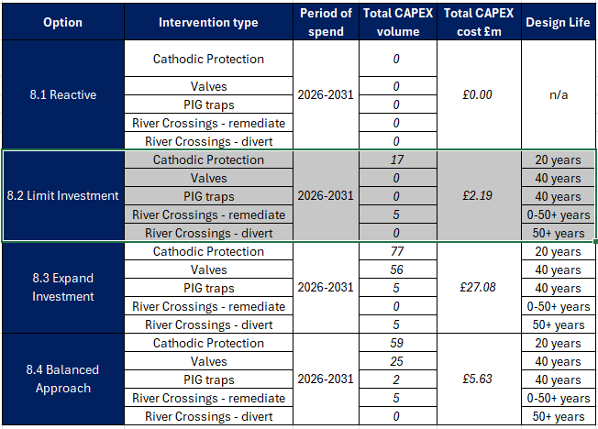
Additional cost/benefit explanations
Please provide a short explanation of any additional cost/benefit lines that have been completed in addition to the pre-populated ones. This should include both a description of the nature of the cost/benefit, and an explanation of how the value was calculated, citing appropriate sources (eg for relevant global warming potentials). If an explanation has been provided within the EJP, then simply provide a reference to the relevant page number.

 |  |  |  | Total expected number of failures in 2027 baseline - average 0.00225 per pipeline, total 0.37134
Assumptions - Loss of Supply - LIMIT INVESTMENT | Baseline

 | Total Risk Formula used for the additional Loss of Supply

 | Pre investment PoF | 0.523323% | variable input (5% less risk than baseline)
 | PoC | 100.00% | fixed input - all incidents on high pressure pipelines would result in a LoS event
 | No. of customers | 52235 | ave. no. of customers on all LTS pipelines (max is 562,150 customers)
 | Cost per property | £300 | NGN calculated network LoS metric based on historic incidents
 | No. of assets | 1 | no. of LTS Pipelines
 | Duration of incident (days) | 60 | variable input (expertly ellicited minimum time period required to install temporary high pressure bypass and restore supply to 50,000 customers)

 |  |  | 2027 | 2028 | 2029 | 2030 | 2031 | 2032 | 2033 | 2034 | 2035 | 2036 | 2037 | 2038 | 2039 | 2040 | 2041 | 2042 | 2043 | 2044 | 2045 | 2046 | 2047 | 2048 | 2049 | 2050 | 2051 | 2052 | 2053 | 2054 | 2055 | 2056 | 2057 | 2058 | 2059 | 2060 | 2061 | 2062 | 2063 | 2064 | 2065 | 2066 | 2067 | 2068 | 2069 | 2070 | 2071 | 2072 | 2073 | 2074 | 2075 | 2076
 | PoF Deterioation per year | 2% | 0.55% | 0.52% | 0.53% | 0.54% | 0.56% | 0.57% | 0.58% | 0.59% | 0.60% | 0.61% | 0.63% | 0.64% | 0.65% | 0.66% | 0.68% | 0.69% | 0.70% | 0.72% | 0.73% | 0.75% | 0.76% | 0.78% | 0.79% | 0.81% | 0.83% | 0.84% | 0.86% | 0.88% | 0.89% | 0.91% | 0.93% | 0.95% | 0.97% | 0.99% | 1.01% | 1.03% | 1.05% | 1.07% | 1.09% | 1.11% | 1.13% | 1.16% | 1.18% | 1.20% | 1.23% | 1.25% | 1.28% | 1.30% | 1.33% | 1.35%
 | Baseline Total Risk (£m) |  | -£5.18 | -£4.92 | -£5.02 | -£5.12 | -£5.22 | -£5.33 | -£5.43 | -£5.54 | -£5.65 | -£5.77 | -£5.88 | -£6.00 | -£6.12 | -£6.24 | -£6.37 | -£6.49 | -£6.62 | -£6.75 | -£6.89 | -£7.03 | -£7.17 | -£7.31 | -£7.46 | -£7.61 | -£7.76 | -£7.91 | -£8.07 | -£8.23 | -£8.40 | -£8.57 | -£8.74 | -£8.91 | -£9.09 | -£9.27 | -£9.46 | -£9.65 | -£9.84 | -£10.04 | -£10.24 | -£10.44 | -£10.65 | -£10.86 | -£11.08 | -£11.30 | -£11.53 | -£11.76 | -£12.00 | -£12.24 | -£12.48 | -£12.73
 | OPEX (£m) |  | -£1.18 | -£1.93 | -£1.14 | -£1.01 | -£2.05
 | CAPEX Investment (£m) |  | -£0.44 | -£0.44 | -£0.44 | -£0.44 | -£0.44

Assumptions - Health and Safety - LIMIT INVESTMENT
 |  |  |  |  |  | 0.5233228%

Long term cost/benefit assumptions
Please briefly summarise the assumptions you have used to calculate long-term (ie beyond the duration of the RIIO3 price control) costs and other inputs (eg "Opex assumed to increase at 1%/year based on historic trends"). In most cases we would expect these to be the same across the baseline and different options, but where this is not the case additional tabs can be completed as necessary. If detailed descriptions are required (eg to explain assumptions around whole life costs of assets) these should be included as part of the EJP

Capex | Not modelled in beyond RIIO-GD4 as proposals cover RIIO-GD3 only.
Opex | As per above
Leakage | N/A
Fatality risk | N/A
Non-Fatality risk | N/A

Cost cross-referencing
If there is any explanation required on how the cost data set out in the EJP totals to the lines in the CBA, please provide it here.

Costs in CBA reflected in sections 8 and 9 of EJP.

Option_2 Workings
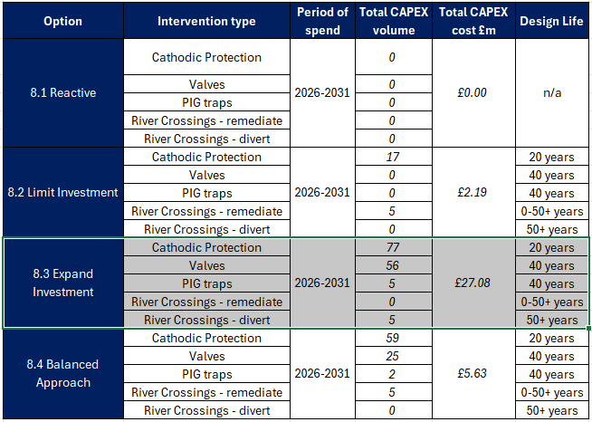
Additional cost/benefit explanations
Please provide a short explanation of any additional cost/benefit lines that have been completed in addition to the pre-populated ones. This should include both a description of the nature of the cost/benefit, and an explanation of how the value was calculated, citing appropriate sources (eg for relevant global warming potentials). If an explanation has been provided within the EJP, then simply provide a reference to the relevant page number.

 |  |  |  | Total expected number of failures in 2027 baseline - average 0.00225 per pipeline, total 0.37134
Assumptions - Loss of Supply - EXPAND INVESTMENT | Baseline

 | Total Risk Formula used for the additional Loss of Supply

 | Pre investment PoF | 0.38561% | variable input (30% less risk than baseline)
 | PoC | 100.00% | fixed input - all incidents on high pressure pipelines would result in a LoS event
 | No. of customers | 52235 | ave. no. of customers on all LTS pipelines (max is 562,150 customers)
 | Cost per property | £300 | NGN calculated network LoS metric based on historic incidents
 | No. of assets | 1 | no. of LTS Pipelines
 | Duration of incident (days) | 60 | variable input (expertly ellicited minimum time period required to install temporary high pressure bypass and restore supply to 50,000 customers)

 |  |  | 2027 | 2028 | 2029 | 2030 | 2031 | 2032 | 2033 | 2034 | 2035 | 2036 | 2037 | 2038 | 2039 | 2040 | 2041 | 2042 | 2043 | 2044 | 2045 | 2046 | 2047 | 2048 | 2049 | 2050 | 2051 | 2052 | 2053 | 2054 | 2055 | 2056 | 2057 | 2058 | 2059 | 2060 | 2061 | 2062 | 2063 | 2064 | 2065 | 2066 | 2067 | 2068 | 2069 | 2070 | 2071 | 2072 | 2073 | 2074 | 2075 | 2076
 | PoF Deterioation per year | 2% | 0.55% | 0.39% | 0.39% | 0.40% | 0.41% | 0.42% | 0.43% | 0.43% | 0.44% | 0.45% | 0.46% | 0.47% | 0.48% | 0.49% | 0.50% | 0.51% | 0.52% | 0.53% | 0.54% | 0.55% | 0.56% | 0.57% | 0.58% | 0.60% | 0.61% | 0.62% | 0.63% | 0.65% | 0.66% | 0.67% | 0.68% | 0.70% | 0.71% | 0.73% | 0.74% | 0.76% | 0.77% | 0.79% | 0.80% | 0.82% | 0.83% | 0.85% | 0.87% | 0.89% | 0.90% | 0.92% | 0.94% | 0.96% | 0.98% | 1.00%
 | Baseline Total Risk (£m) |  | -£5.18 | -£3.63 | -£3.70 | -£3.77 | -£3.85 | -£3.92 | -£4.00 | -£4.08 | -£4.16 | -£4.25 | -£4.33 | -£4.42 | -£4.51 | -£4.60 | -£4.69 | -£4.78 | -£4.88 | -£4.98 | -£5.08 | -£5.18 | -£5.28 | -£5.39 | -£5.50 | -£5.61 | -£5.72 | -£5.83 | -£5.95 | -£6.07 | -£6.19 | -£6.31 | -£6.44 | -£6.57 | -£6.70 | -£6.83 | -£6.97 | -£7.11 | -£7.25 | -£7.40 | -£7.54 | -£7.69 | -£7.85 | -£8.01 | -£8.17 | -£8.33 | -£8.50 | -£8.67 | -£8.84 | -£9.02 | -£9.20 | -£9.38
 | OPEX (£m) |  | -£1.18 | -£1.93 | -£1.14 | -£1.01 | -£2.05
 | CAPEX Investment (£m) |  | -£5.42 | -£5.42 | -£5.42 | -£5.42 | -£5.42

Assumptions - Health and Safety - EXPAND INVESTMENT |  |  |  |  | 0.3856063%

Long term cost/benefit assumptions
Please briefly summarise the assumptions you have used to calculate long-term (ie beyond the duration of the RIIO3 price control) costs and other inputs (eg "Opex assumed to increase at 1%/year based on historic trends"). In most cases we would expect these to be the same across the baseline and different options, but where this is not the case additional tabs can be completed as necessary. If detailed descriptions are required (eg to explain assumptions around whole life costs of assets) these should be included as part of the EJP

Capex | Not modelled in beyond RIIO-GD4 as proposals cover RIIO-GD3 only.
Opex | As per above
Leakage | N/A
Fatality risk | N/A
Non-Fatality risk | N/A

Cost cross-referencing
If there is any explanation required on how the cost data set out in the EJP totals to the lines in the CBA, please provide it here.

Costs in CBA reflected in sections 8 and 9 of EJP.

